Main
0 | deepaklohia@LIVE.COM>>Inbox | deepaklohia@LIVE.COM>>Inbox>>Done | 91
INSTRUCTIONS
Save the file in any location or folder. Open the automation and enable macros. (if disabled).
(do NOT open in zip folder)
MAILBOX
1.Click on "Retrive From" Mailbox from where your email needs to be extracted.
2.Click on "Move to" Mailbox where you emails needs to be be moved post extraction. Leave as "None" if not needed.
FILTER SETTINGS
1.Leave all fields as (*) to set NO FILTER.
2.Enter value as "Hello Mr*" to get all emails beginning with "Hello Mr"
or *hello* for emails containing word "hello" .
EXPORT SETTINGS
1.Choose Basename from dropdown , as Old Name + new name or just old name or new name.
2.Enter "_New" Name if you want to add a suffix or prefix in the attachment.
4.Click on "Replace Existing Files" if you want to replace existing attachment files in export folder.
5.Check "save email as .msg" if you want to save a copy of email as well.
this automation is free and free from any third party plugins.
Regards
Deepak Lohia
https://www.fiverr.com/deepaklohia
Business Queries : deepak9delhi@gmail.com
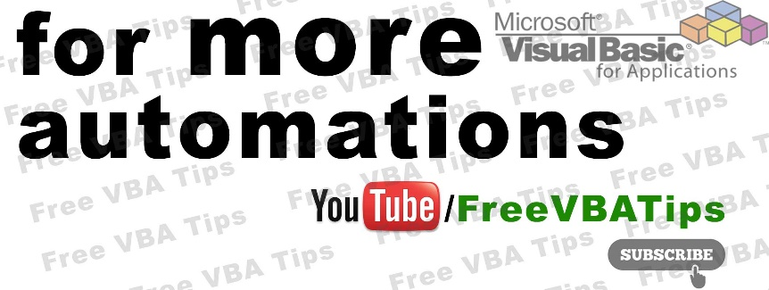

Customizations starting from $10

